3.Permissions
Test Case No. | Test Objective | Step | Test Steps | Test Data/Parameters/Payload/Request | Expected Result | Actual Result | Status(Pass/Fail) | Notes
3.1 | Retrieve All Permissions | 1 | GET Method | http://34.250.128.195:8085/permission | Status 200 OK

3.2 | Create Permission | 1 | POST Method | http://34.250.128.195:8085/permission { "permission": "Delete Users", "tag": "DELETE_USERS", "entity": { "id": 2 } } | Status 201 Created

3.3 | Update Permission | 1 | PUT Method

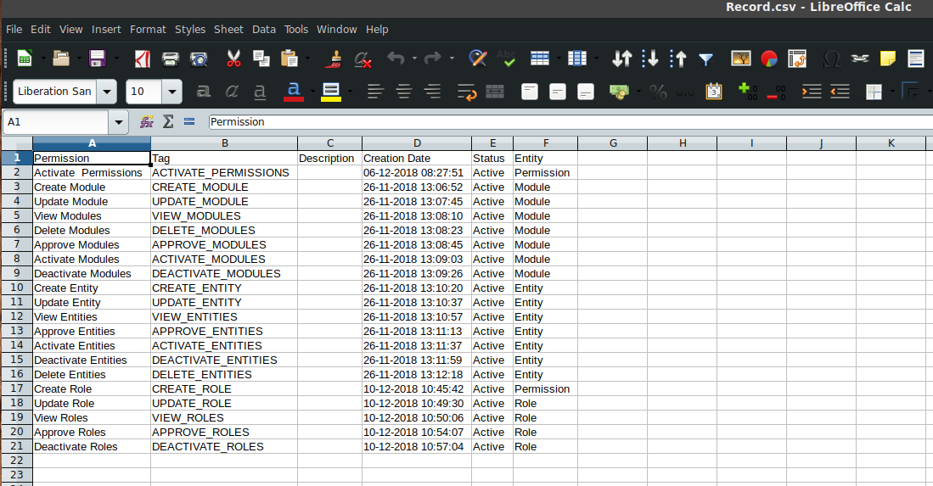
3.4 | Delete Permission | 1 | DELETE Method

3.5 | Activate Permission | 1 | PUT Method | http://34.250.128.195:8085/permission/activate { "ids" : [ 0 ], "notes" : "string" }

3.6 | Approve Permission Actions | 1 | PUT Method | http://34.250.128.195:8085/permission/approve-actions { "ids" : [ 0 ], "notes" : "string" }

3.7 | Deactivate Permission | 1 | PUT Method | http://34.250.128.195:8085/permission/deactivate { "ids" : [ 0 ], "notes" : "string" }

3.8 | Decline Permission Action | 1 | PUT Method | http://34.250.128.195:8085/permission/decline-actions { "ids" : [ 0 ], "notes" : "string" }

3.9 | Export Permissions to Csv | 1 | GET Method |  |  |  | Pass

3.10 | Lock Permissions | 1 | PUT Method | http://34.250.128.195:8085/permission/lock { "ids" : [ 0 ], "notes" : "string" }

3.11 | Fetch a Single Permission | 1 | GET Method | http://34.250.128.195:8085/permission/17 Name:id Value:17 |  | { "status" : 200, "message" : "Request was successful", "data" : { "id" : 17, "permission" : "Appprove Permissions", "tag" : "APPROVE_PERMISSIONS", "description" : null, "creationDate" : 1544084871688, "intrash" : "NO", "status" : { "id" : 2, "name" : "Active", "description" : "Active Record" }, "entity" : { "id" : 1, "name" : "Permission", "description" : "Manage Permissions", "creationDate" : 1544084671959, "module" : { "id" : 1, "name" : "User Management", "description" : "Manage roles, users and permissions", "creationDate" : 1543221383266, "status" : { "id" : 2, "name" : "Active", "description" : "Active Record" } }, "status" : { "id" : 2, "name" : "Active", "description" : "Active Record" } } }, "timestamp" : 1547046018283 }

3.12 | Fetch Permission Changes | 1 | GET Method | http://34.250.128.195:8085/permission/1/changes Name:id Value:1

